Sheet1
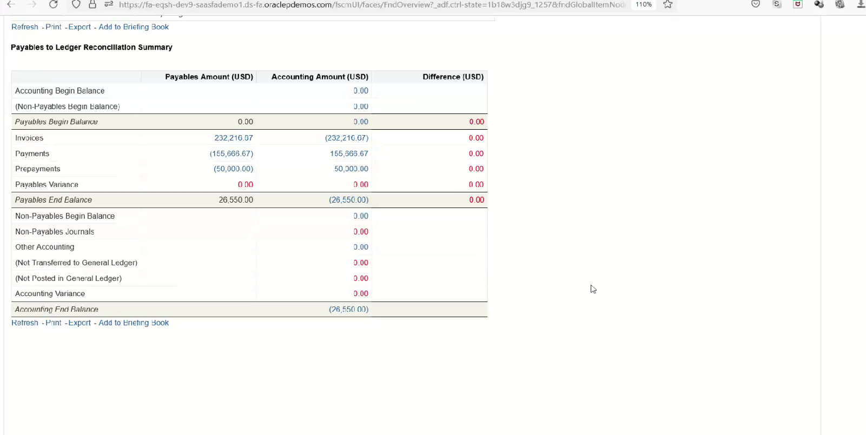
Payables to General Ledger Reconciliation
* Here we have to transfer the accounting entries which are created in Accounts Payables those we have to transfer to General Ledger
Steps
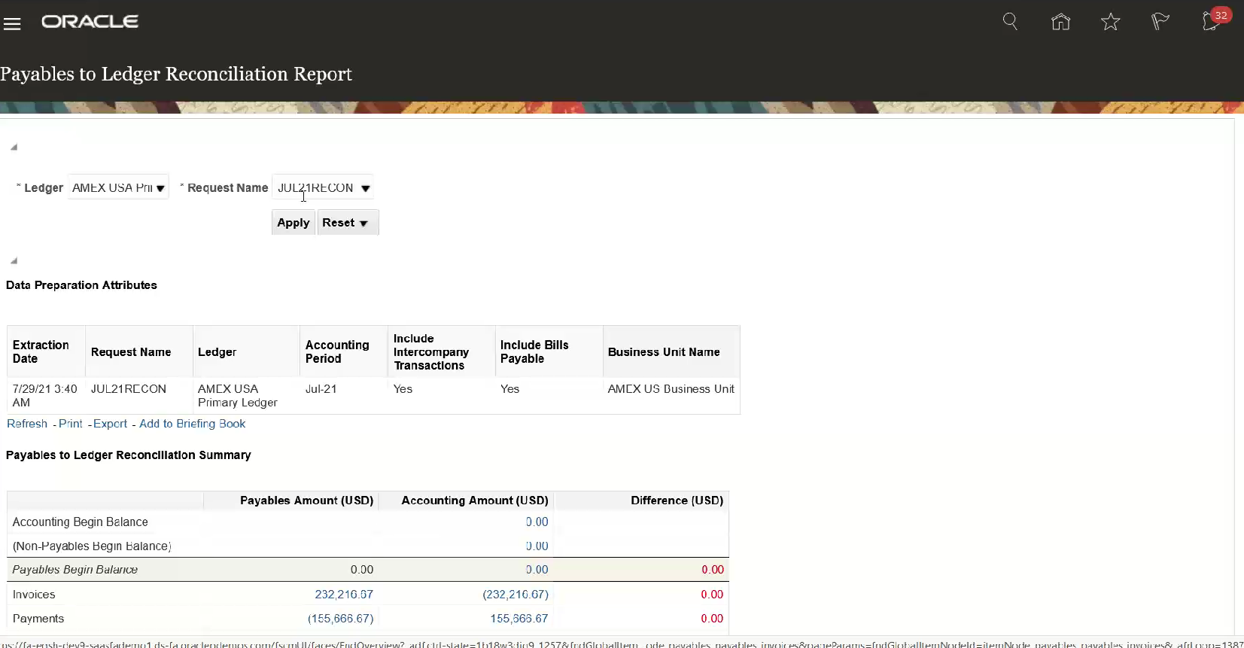
1. Run Create Accounting Process | Path | Payables >> Invoices >> Taskpane >> Create Accounting
Note: To perform create accounting make sure that all the invoices are validated
* After performing this job system will run these jobs those are
A. Create Accounting
B. Create Accounting: Sub Process
C. Post Subledger Journal Entries
D. Post Subledger Journal Entries: Subprocess
2. Set Financial Category for Control Accounts ( Here Control Accounts are nothing but Liability Accounts) | Task | Manage Chart of Accounts Value Set Values
3. Run "Payables to General Ledger Reconciliation Process" | Job | Prepare Payables to General Ledger Reconciliation
* After performing this job system will run these jobs those are
A. Prepare Payables to General Ledger Reconciliation
B. Prepare Payables to General Ledger Reconciliation: Sub Process
4. Run " Payables to General Ledger Reconciliation Report" | Path | Payables >> Invoices >> Taskpane >> Payables to Ledger Reconciliation

